Tags + Source (2)
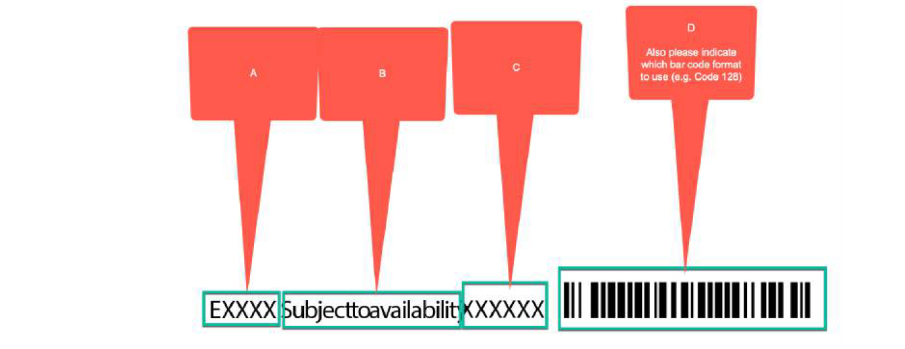
Item | Field Name or Criteria
A | Event obtained from appending 'E' to first four characters in "store_type(xx_prom_desc)" column in Small_POS file. (e.g. E0922 is Event 9, 2022)
B | Statement included from Rules Matrix from existing supplier - added to all tags
C | SKU number found in 'item' column in Small_POS file
D | 128 Standard barcode

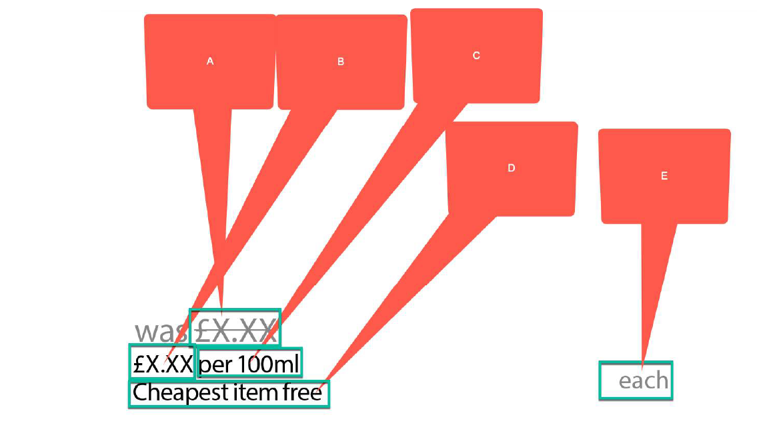
A | "new_was_price" column in Small_POS file
B & C | "now price per uom" column in Small_POS file
D | Statement included from Rules Matrix from existing supplier - applies to BOGOF and 3 for 2 promos
E | "uom" column in Small_POS file

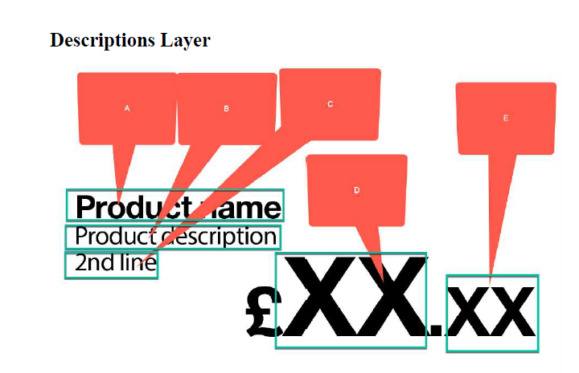
A | "sub_name" column in Small_POS file
B & C | "item_long_desc" column in Small_POS file (Note: '2nd line' does not currently appear if tag has logos e.g. Superdrug logo on it)
D & E | "now_price" in Small_POS file appended with '£' sign

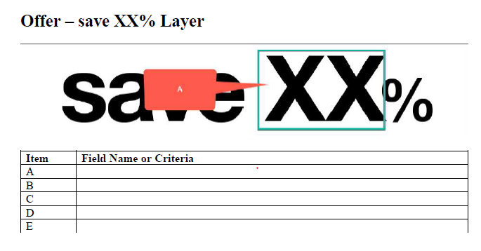
A | when "offer_type" column in Small_POS file has value "0" and calculate % difference between 'new_was_price' and 'now_price' (if % is 10,20,25 or 50%)

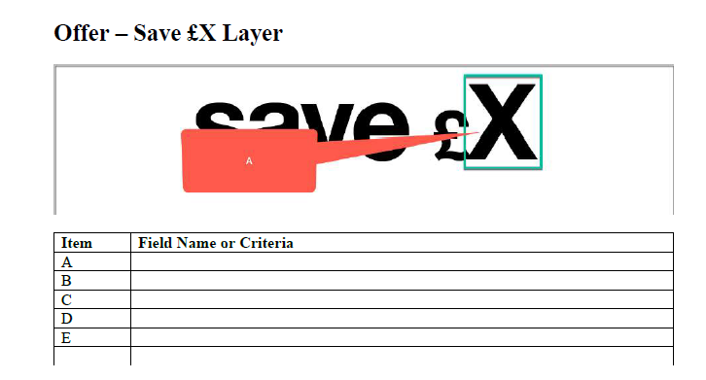
A | when "offer_type" column in Small_POS file has value "0" and do 'new was price' take away 'now price' (if saving is 50p, £1, 1.50, e.g. rounded figure)

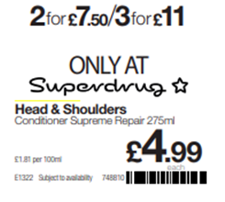
 | when "offer_type" for a SKU is both 102 and 103 in Small_POS file , use value of [ "Now_price" times the "offer_qualify_quantity" take away "reward" ] for each offer type and round to the nearest pound

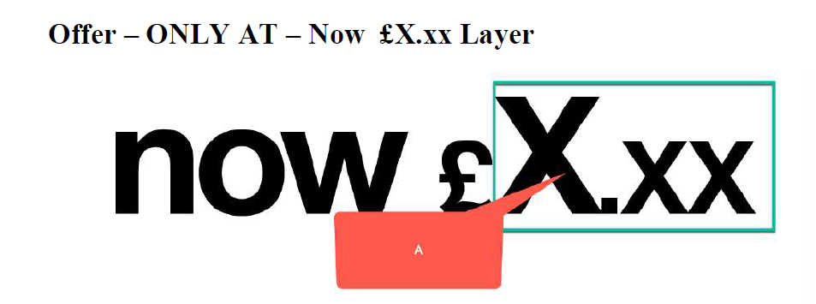
A | when "offer_type" column in Small_POS file has value "0" compare 'new was price' with 'now price' (If does not fall into standard price cut, e.g. £1, 1/3, 25%) then show 'Now_Price'

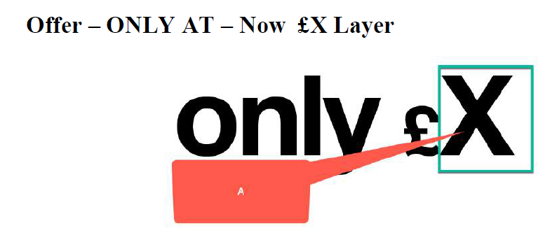
A | when "offer_type" column in Small_POS file has value "

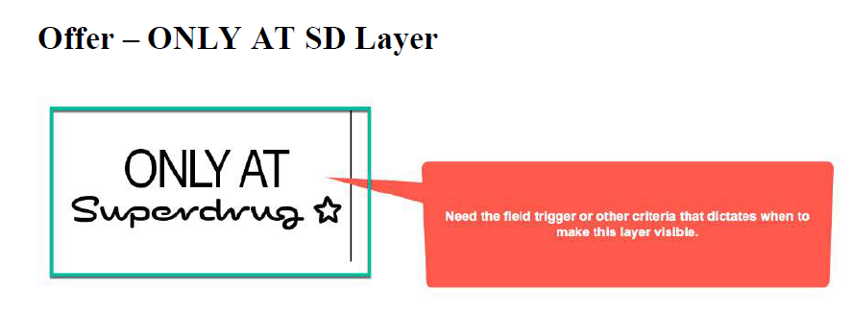
A | If value in column "Brand_Cat" (in the Small_POS file) is "X (Exclusive Brand)" or 'Private", this image is added onto the tag (only if SKU is not on Members Only promo)

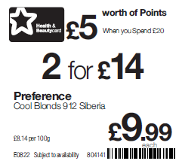
A
B
A | SKU is found in the Small POS PE0033 file for members only 'item' column
B | reference "reward" column in Small_POS PE0033 file for Members only. (e.g. value of 2 = "Triple Points", 500 = "£5 worth of Points when you spend £20")
C | when "offer_type" column in Small_POS file has value "103", use value of "1.99" in "reward" column to determine message (appending £ symbol)

C

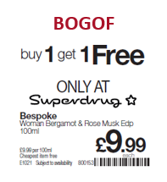
 | when "offer_type" column in Small_POS file has value "101" and "offer_qualify_quantity" column = 2

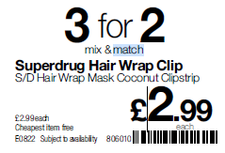
 | when "offer_type" column in Small_POS file has value "101" do [ "offer_qualify_quantity" column - "reward" value]. (e.g. offer_qualify_quantity = 3, Reward = 1 so 3 for 2)

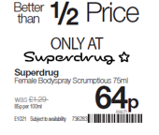
 | when "offer_type" column in Small_POS file has value "0" and "now price" is <50% of "new was price"

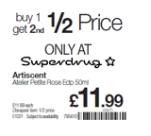
 | when "offer_type" column in Small_POS file has value "104" and "reward" is 50

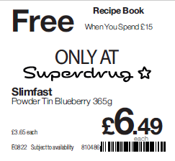
 | when "offer_type" column in Small_POS file has value "132" populate with edited text from 'bul two' column

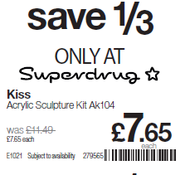
 | when "offer_type" column in Small_POS file has value "0" and "now price" is 33.3333 to 35% less than "new was price"

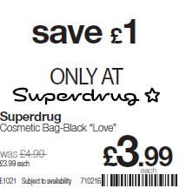
 | when "offer_type" column in Small_POS file has value "0" and "now price" is X number of pounds less than "new was price", do "New was price - now price"

